Check
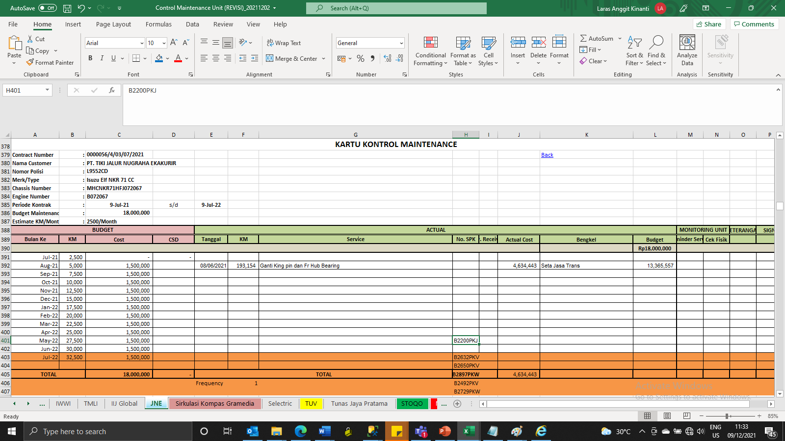
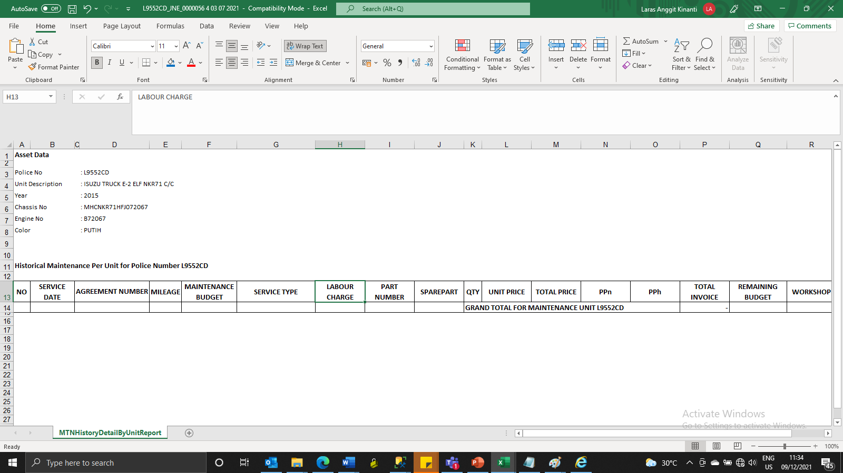
L9552CD | 0000056/4/03/07/2021

Data Excel |  | Sistem

